AutoML Con datos completos
clf1 = setup(df_auto, target = 'isFraud', ignore_features=['isFlaggedFraud'], fix_imbalance=True, session_id=2, log_experiment = True, log_plots= True, log_data = True, experiment_name = 'Fraude',use_gpu=True, n_jobs=8, html=True, verbose=True)
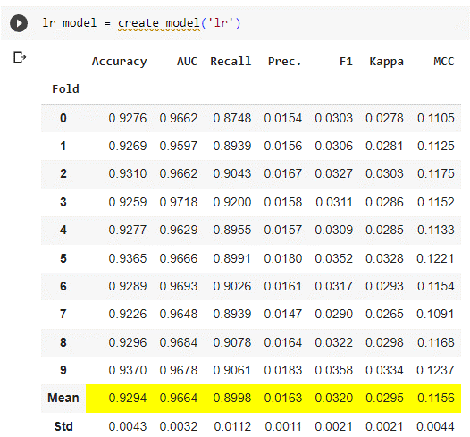

clf1 = setup(df_auto, target = 'isFraud', ignore_features=['isFlaggedFraud'], fix_imbalance=True, session_id=3, log_experiment = True, experiment_name = 'Fraude',use_gpu=True, n_jobs=-1, html=True, verbose=True)
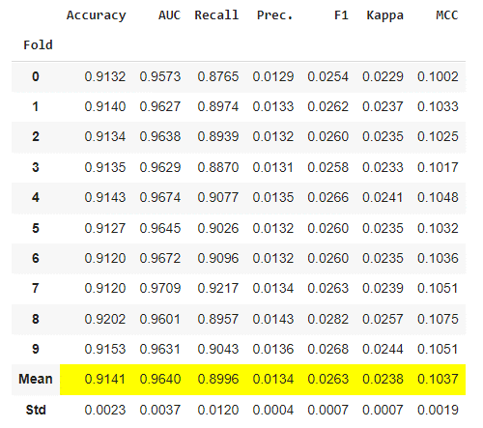
 |  | Accuracy | AUC | Recall | Prec. | F1 | Kappa | MCC
 | Fold
 | 0 | 0.9132 | 0.9573 | 0.8765 | 0.0129 | 0.0254 | 0.0229 | 0.1002
 | 1 | 0.914 | 0.9627 | 0.8974 | 0.0133 | 0.0262 | 0.0237 | 0.1033
 | 2 | 0.9134 | 0.9638 | 0.8939 | 0.0132 | 0.026 | 0.0235 | 0.1025
 | 3 | 0.9135 | 0.9629 | 0.887 | 0.0131 | 0.0258 | 0.0233 | 0.1017
 | 4 | 0.9143 | 0.9674 | 0.9077 | 0.0135 | 0.0266 | 0.0241 | 0.1048
 | 5 | 0.9127 | 0.9645 | 0.9026 | 0.0132 | 0.026 | 0.0235 | 0.1032
 | 6 | 0.912 | 0.9672 | 0.9096 | 0.0132 | 0.026 | 0.0235 | 0.1036
 | 7 | 0.912 | 0.9709 | 0.9217 | 0.0134 | 0.0263 | 0.0239 | 0.1051
 | 8 | 0.9202 | 0.9601 | 0.8957 | 0.0143 | 0.0282 | 0.0257 | 0.1075
 | 9 | 0.9153 | 0.9631 | 0.9043 | 0.0136 | 0.0268 | 0.0244 | 0.1051
 | Mean | 0.9141 | 0.964 | 0.8996 | 0.0134 | 0.0263 | 0.0238 | 0.1037
 | Std | 0.0023 | 0.0037 | 0.012 | 0.0004 | 0.0007 | 0.0007 | 0.0019

